RCA FORMAT
 | FAILURE ANALYSIS |  |  | RCA No. | HZL/KYD/SANDVIK/LHD/Feb-26 |  |  | Plant | KAYAD
 |  |  |  | RCA initiation Date | 22-Feb-26 | RCA submission Date | 23-Feb-26 | Department | Mechanical
Z2 Notification Number |  |  |  | ZR No |  |  |  | Section/Area | Sandvik
Equipment Number |  | L-16 |  |  | Name of the equipment |  | LH621
Date & time of Occurance |  |  | 20-Feb-26 |  | 01:00 PM |  | Total Production affected time ( Hr) |  |  | 27 hour
Date & time of Restoration |  |  | 21-Feb-26 |  | 16:00:00 |  | Affecting Production or not |  |  | Yes
Clear description of Problem: |  |  |  |  |  | Manpower Cost (Lacs)
Oil leakage |  |  |  |  |  | What |  |  | Who |  | When
 |  |  |  |  |  | Motor replaced |  |  | Mahendra+ Hasan |  | 21/02/2026
Chronology of Key Events - beginning with the clear symptoms to the resolutions.
Sr No | Events |  |  | Date | Time | Sr No | Events |  |  | Date | Time
1 | While machine running in sump oil leakage observed from LHS cooler,team check and found oil leakage from LHS cooler motor shaft seal. |  |  | 20/02/2026 | B | 3 | No work is done |  |  | 21/02/2026 | C
3 | LHS cooler motor replaced and machine shifted to surface. |  |  | 21/02/2026 | A | 4 | Machine cooler washing done. |  |  | 21/02/2026 | B
5
Cost of Failure
Spare Part Cost (Lacs) |  | 0 | Service Cost (Lacs) |  | 0 | Manpower Cost (Lacs) |  | 0 | Production Loss (Lacs) |  | 0
Team members |  |  |  |  |  | Brief Maintenance History
# | Name |  |  | Dept | HZL/BP | Last PM Done |  |  | Covered in CBM |  | Yes
1 | Ashutosh |  |  | Mechanical | BP | PM Date: 31/01/2026 |  |  | CBM Date: 01/02/2026
2 | Hasan |  |  | Mechanical | BP | Observations: No observation found that time. |  |  | CBM status/result |  | Normal
3 | Mahendar |  |  | Mechanical | BP |  |  |  | Root Cause can be identified by CBM? |  | No
4 | Manish |  |  | Mechanical | BP
5 |  |  |  |  |  | Last Failure Detail
6 |  |  |  |  |  | Date of Last Failure Occurred and Detail |  |  | Root Cause of Last failure
7 |  |  |  |  |  | Date:
8 |  |  |  |  |  | Detail:
9 |  |  |  |  |  | Is FMEA analysis done for this equipment |  |  | Is the current Failure mode identified in exisiting FMEA
10 |  |  |  |  |  | N/A |  |  | NA
Breakdown the problem (Observation and Photographs)
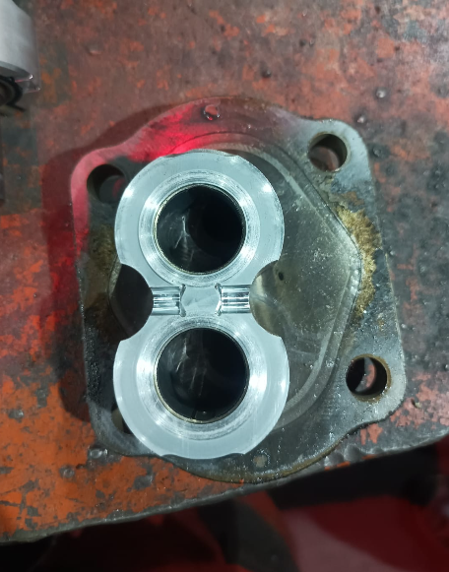 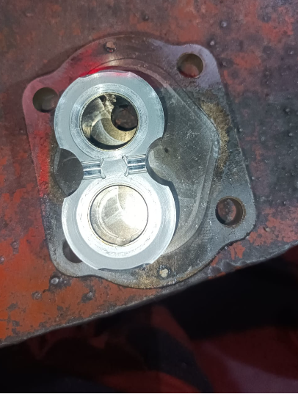 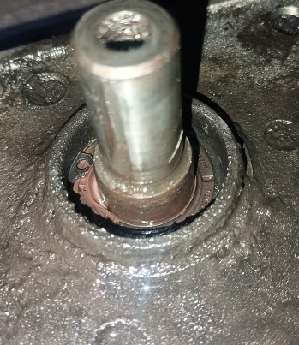

Pursuit of most important cause : Use of Any quality tools for identification of proper root cause
Pursuit of cause : Why-Why Analysis
Problem | Oil leakage
Why-1 | Brake oil level warning |  |  |  |  | Oil leakage from LHS cooler side |  |  |  |  | Why-1
Why-2 | Oil leakage from LHS cooler side |  |  |  |  | LHS cooler motor shaft seal leakage |  |  |  |  | Why-2
Why-3 | LHS cooler motor shaft seal leakage |  |  |  |  | Motor body cut an found |  |  |  |  | Why-3
Why-4 | Motor body cut found |  |  |  |  | due contamination |  |  |  |  | Why-4
Why-5 | due contamination |  |  |  |  | Previously brake pump failed and contaminated oil circulated around system. |  |  |  |  | Why-5
Why-6 | Previously brake pump failed and contaminated oil circulated around system. |  |  |  |  |  |  |  |  |  | Why-6

Root Cause/s :-
1 | LHS cooler motor failed due to previously brake pump failed and contaminated oil circulated around system.
2
3
4
Skill/Man |  | Design/Machine |  | Method |  | Material |  | Measurement |  | Environment
Lack of Maintenance Skill/Knowledge |  | Material of Construction |  | High Vibration |  | Material/MOC Out of Spec |  | OverSize/ Undersize Mat |  | Leakages/Contamination/Ingress
Lack of Opeartor Skill/Knowledge |  | Internal Malfunction |  | Incorrect Setting/ Fitments |  | Internal Malfunction |  | In Correct Setting/ Fitments |  | Power Failure
Knowledge gap in SOP/SMP/WI |  | Oversize/Undersize material |  | Water/ Moisture/Dust/Dirt Ingress/Contamination |  | Wrong material supply |  | Lack of Lubrication |  | Fall of Ground
Miscommunication |  | Leakages (Air/Water/Oil/etc) |  | Inadequate or Improper Lubrication |  | Wrong QC clearance |  | Lack of PM /CBM/Maintenance |  | Calamities
Carelessness /Negligence |  | Early failure |  | Excess/ Low Speed |  | Material deterioration in storage |  | Over/ Under Voltage |  | Hit by Object
 |  | Calibration Failure |  | SOP/SMP/WI Errors or Inadequacy |  | Poor Quality of Spare supply |  |  |  | Weather or Ambient condition
 |  | Lack of PM/Maint Schedule |  | High/ Low Temperature, Pressure, Flow |  | Non Avaialbility of Spare
 |  | Fall of Ground |  | Out of LSL /USL operating range |  | No PM in Storage
 |  | Drawing Spec or Data error |  | Improper Bolting, cleaning or inspection |  | Ageing
 |  |  |  |  |  | Contamination

Root Cause Close out (Tick whichever appropriate)
Action Plan for RCA |  |  |  | Type | Classification of Counter Measure | Responsibility | Sign | Dept | Target | Status
1.Motor replaced |  |  |  | CA | NA | Samiul |  | Mechanical | 21-Feb-26 | Completed
1.While replacing brake pump all motor internal leakage to be check. 2.Brake oil to be flush and tank cleaning to be done. |  |  |  | PA | NA | Ashutosh/Manoj |  | Mechanical | ON GOING | In Progress
Horizontal Deployment |  |  |  | Preventive/Predictive Measures |  |  |  | Sustainable Measures (SOP/SMP)
External (3rd party) Investigation Reqd. |  |  |  | External Testing Required |  |  |  | External (2nd Party) Investigation/ Team members required
Changes required in ODC |  |  |  | Changes required in FMEA
I hereby declare that above root cause is best as per my knowledge and all the possible counter measures are being taken to prevent such type of failure. After completion of all the CAPA points this failure will not repeat in future for the same type of problem and root cause.
Signature of OEM incharge |  |  | Signature of HOD |  |  | Signature of Lead AO |  |  | Signature of Reliability Group Representative
Signature of Engineering Head ( if available) |  |  | Signature of Unit Head |  |  | Signature of Location Head

